Sheet1
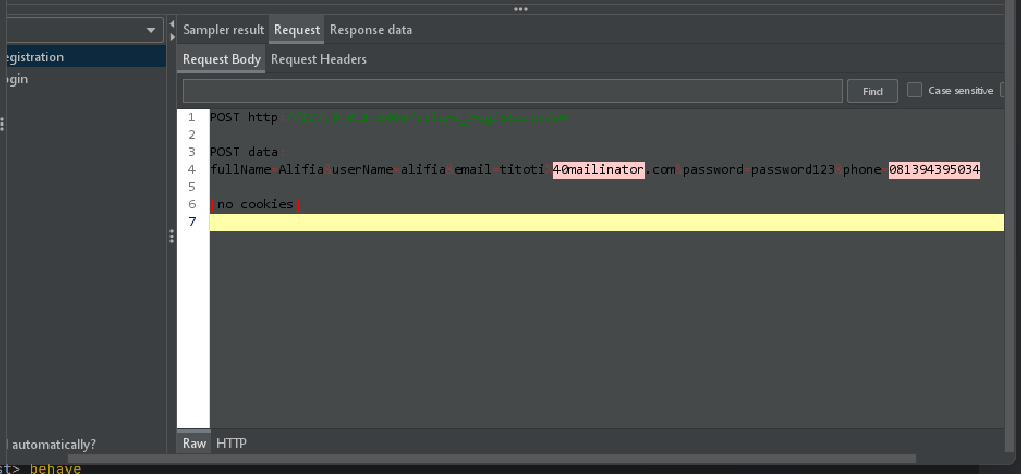
Bug Description | Type | Severity | Reproduce | Expected/Improvement | Evidence
Sensitive data exposure when register user | Security | Critical | endpoint : POST http://127.0.0.1:5000/client_registeration request payload POST data: fullName=Alifia&userName=alifia&email=titoti%40mailinator.com&password=password123&phone=081394395034 | Use encryption for sensitive data such as PII

